PivotTable
Average Income Per Purchase
Average of Income | Column Labels
Row Labels | Yes | No | Grand Total
Male | 60,124 | 56,208 | 58,063
Female | 55,774 | 53,440 | 54,581
Grand Total | 57,963 | 54,875 | 56,360

Customer Commute
Count of Purchased Bike | Column Labels
Row Labels | No | Yes | Grand Total
0-1 Miles | 166 | 200 | 366
1-2 Miles | 92 | 77 | 169
2-5 Miles | 67 | 95 | 162
5-10 Miles | 116 | 76 | 192
10 Miles + | 78 | 33 | 111
Grand Total | 519 | 481 | 1000

Customer Age Brackets
Count of Purchased Bike | Column Labels
Row Labels | Yes | No | Grand Total
Adolescent | 39 | 71 | 110
Middle age | 383 | 318 | 701
Old | 59 | 130 | 189
Grand Total | 481 | 519 | 1000

Customer Children
Count of No. of Children | Column Labels
Row Labels | Yes | No | Grand Total
No children | 142 | 139 | 281
One or two | 194 | 184 | 378
More than 2 | 145 | 196 | 341
Grand Total | 481 | 519 | 1000

 | Bike Only | Car Only | Both
25-34 | 26 | 113 | 67
35-44 | 97 | 96 | 100
45-54 | 21 | 99 | 111
55-64 | 3 | 79 | 39
65-74 | 4 | 34 | 12
75-84 | 0 | 1 | 1
85-94 | 0 | 1 | 0
Count of Both Car & Bike | Column Labels
Row Labels | Bike Only | Car Only | Both | Grand Total
25-34 | 26 | 113 | 67 | 206
35-44 | 97 | 96 | 100 | 293
45-54 | 21 | 99 | 111 | 231
55-64 | 3 | 79 | 39 | 121
65-74 | 4 | 34 | 12 | 50
75-84 |  | 1 | 1 | 2
85-94 |  | 1 |  | 1
Grand Total | 151 | 423 | 330 | 904

Dashboard
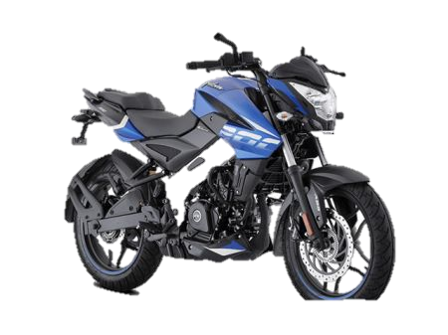
BIKE SALES ANALYSIS

Average Income Per Purchase
 | Yes | No
Male | 60,124 | 56,208
Female | 55,774 | 53,440
Customer Children
 | Yes | No
No children | 142 | 139
One or two | 194 | 184
More than 2 | 145 | 196
Customer Age Brackets
 | Yes | No
Adolescent | 39 | 71
Middle age | 383 | 318
Old | 59 | 130
Total Customers
1000

Bike Buyers
481

No. of Married
538
Customer Commute
 | No | Yes
0-1 Miles | 166 | 200
1-2 Miles | 92 | 77
2-5 Miles | 67 | 95
5-10 Miles | 116 | 76
10 Miles + | 78 | 33
 | Bike Only | Car Only | Both
25-34 | 26 | 113 | 67
35-44 | 97 | 96 | 100
45-54 | 21 | 99 | 111
55-64 | 3 | 79 | 39
65-74 | 4 | 34 | 12
75-84 | 0 | 1 | 1
85-94 | 0 | 1 | 0

No. of Single
462

